Example
Example time! Below is a screenshot of a quilt I built

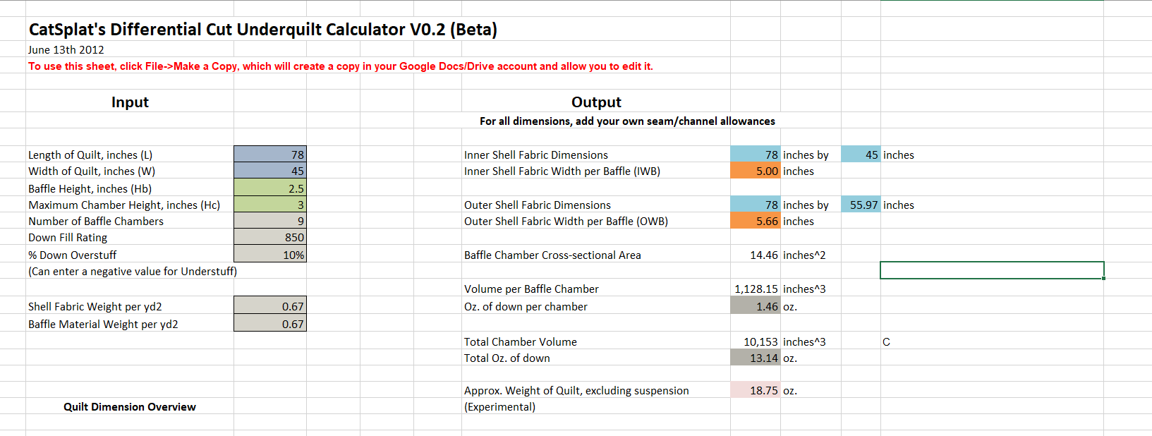

The length of the Inner that I would cut would be
83" Long and 50" Wide

The Length of the Outer would be
79" Long and 56.97" Wide

Calculator
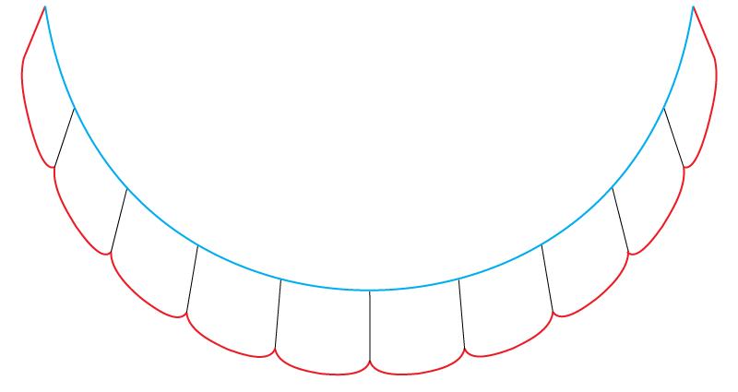
CatSplat's Differential Cut Underquilt Calculator V0.2 (Beta)
June 13th 2012
To use this sheet, save your own copy of it to your computer.

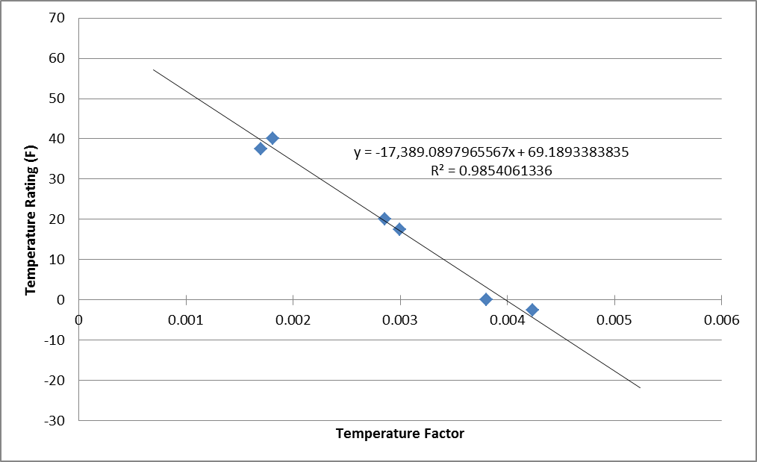
Input |  |  | Output |  |  |  |  | Temperature Rating (Experimental!)
 |  | For all dimensions, add your own seam/channel allowances
 |  |  |  |  |  |  |  | Down Density | 0.00129 | oz/inches^3
Length of Quilt, inches (L) | 78 |  | Inner Shell Fabric Dimensions | 78 | inches by | 45 | inches | Average Loft | 2.75000 | inches
Width of Quilt, inches (W) | 45 |  | Inner Shell Fabric Width per Baffle (IWB) | 5.00 | inches |  |  | Fill Power Correction Factor | 1.00000 | FP/850 (Data series based on 850FP)
Baffle Height, inches (Hb) | 2.5 |  |  |  |  |  |  | Temperature Factor | 0.00356 | oz/inches^2
Maximum Chamber Height, inches (Hc) | 3 |  | Outer Shell Fabric Dimensions | 78 | inches by | 55.97 | inches | Temperature Rating | 7 | Degrees F
Number of Baffle Chambers | 9 |  | Outer Shell Fabric Width per Baffle (OWB) | 5.66 | inches
Down Fill Rating | 850 |  |  |  |  |  |  |  | TF | TR
% Down Overstuff | 10% |  | Baffle Chamber Cross-sectional Area | 14.46 | inches^2 |  |  | UGQ Zeppelin 40 | 0.00181 | 40
(Can enter a negative value for Understuff) |  |  |  |  |  |  |  | HG Incubator 40 | 0.00170 | 37.5
 |  |  | Volume per Baffle Chamber | 1,128.15 | inches^3 |  |  | UGQ Zeppelin 20 | 0.00285 | 20
Shell Fabric Weight per yd2 | 0.67 |  | Oz. of down per chamber | 1.46 | oz. |  |  | HG Incubator 20 | 0.00300 | 17.5
Baffle Material Weight per yd2 | 0.67 |  |  |  |  |  |  | UGQ Zeppelin 0 | 0.00381 | 0
 |  |  | Total Chamber Volume | 10,153 | inches^3 |  | C | HG Incubator 0 | 0.00424 | -2.5
 |  |  | Total Oz. of down | 13.14 | oz.

 |  |  | Approx. Weight of Quilt, excluding suspension | 18.75 | oz.
Quilt Dimension Overview |  |  | (Experimental)
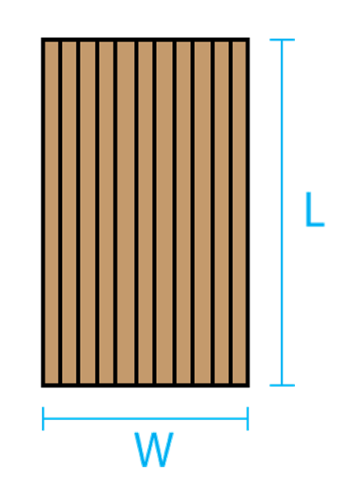
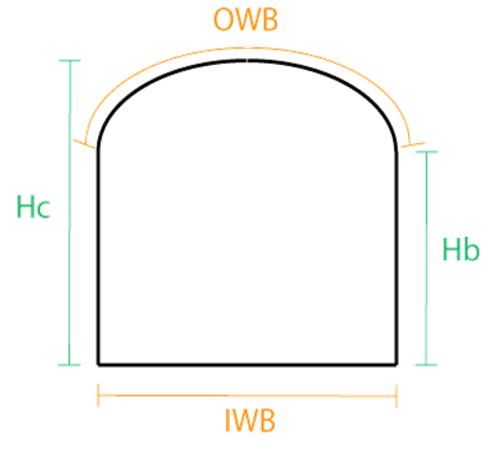
 | Baffle Cross-section Detail

 |  |  | This diagram illustrates the cross-sectional view of a sample underquilt. The red section shows the fabric that is defined by the "Outer Shell Fabric Dimensions" value. The blue section shows the fabric that is defined by the "Inner Shell Fabric Dimensions" value. The thin black lines represent the baffles. When hung, the Inner shell faces the hammock, while the Outer shell will face away from the hammock. Suspension channels (or loops for the shock cord) would be attached along the edges where the Outer shell meets the Inner shell. When hung, the UQ cross-section will look similar to this:

